A
 | PLG Overview

Acquisition (Use growth hacking techniques to get the attention of more potential users and bring them into your app.)

EMAIL
1. Segment customers in your welcome emails
Personalized emails improve click-through rates by 14%.
 |  | c

CONTENT
2. Email influencers to build a guest post network
Groove has reached over a million new people through guest blogging, but they built this strategy out from a single post on Buffer.

3. Build a tool that delivers crazy value for free
Clearbit built a free tool instead, as a standalone product called Connect. Connect is a Chrome extension that enriches leads right in your Gmail inbox, 100% for free, and it's easy for someone with no technical background to use. The tool was so successful that, within the first few months of launch, it drove 100k qualified leads.

4. Provoke product envy with testimonial CTAs
the reader progresses through the Zapier blog, a little pop-up appears in the corner, with a clear CTA “Try Zapier Today” and a testimonial from a co-founder. Users are used to seeing reviews and testimonials, but this one is a surprise. It builds on this rich piece of content and it's trustworthy, because it offers a specific value proposition from a specific person, not a faceless endorsement. In fact, testimonials that come from a specific sourcecan increase conversion 34%.

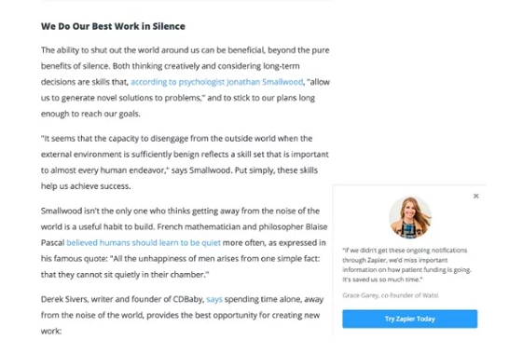

6. Create an academy to jumpstart content marketing
We did this at Appcues with the User Onboarding Academy. It's a single page, with a title, a table of contents, and an evolving library of links and resources, categorized into topics like “Best Practices,” “Examples” and “Aha! Moments.”As our CEO and co-founder Jonathan wrote, the Academy had a few key benefits:

It’s evergreen, so you don’t need to keep up with a tireless blog schedule.
You can launch iteratively. Have some articles “coming soon” to gauge interest.
If you treat it like a class, it lends itself heavily to an email subscription.

SEO
7. Bundle short and long tail keywords
Short tail. A short (often one word) phrase that yields generic information, like “pandas.” The searcher wants to be inspired by findings rather than seeking a specific answer to a question.
Long tail. A longer, more specific search. “Pandas eating habits,” for example.

8. Leverage your competitors' SEO
Track your competitors' SEO activity with a tool. Ahrefs is a good one. You can track your domain's own rankings while also tracking your competitors. See whether they're getting more backlinks than you are and then do some digging to see why.

9. Cross the 2000 word threshold
He found that posts over 2000 words were actually more popular, because Google prefers “content-rich sites.” The highest-ranking web page for each keyword has an average of 2,416 words.

PAID
10. Pull users into your app With super specific ads
Find non-competitive ad opportunities to target users and drive them into specific pages in your app.

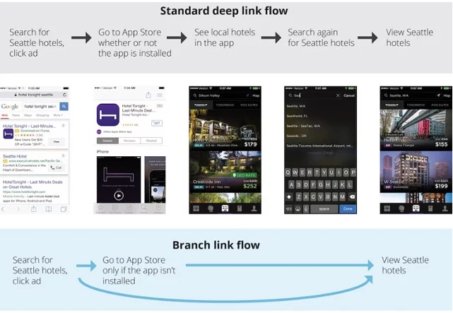

11. Purchase Facebook Ads for a month

FIRST IMPRESSIONS

12. Make your website faster
Amazonfound that a page load that's delayed by even a second can cost them $1.6 billion in sales every year. Stop your traffic u-turning by passing your site through a tool like Pingdom. It'll show you the load time of your pages and suggest how you can remove blocks to make your site run faster.

Activation
13. Create a walkthrough to help users learn by doing
Walkthroughs helps users learn your product by compelling them to take specific, meaningful actions.
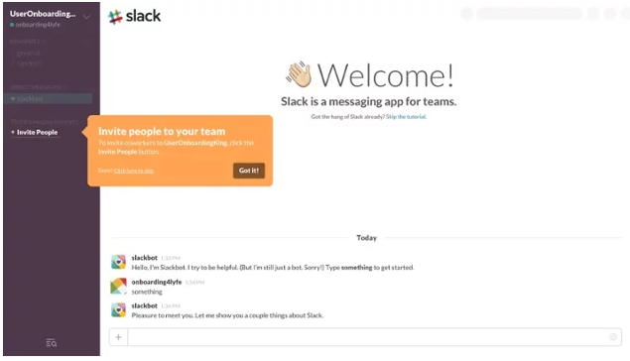

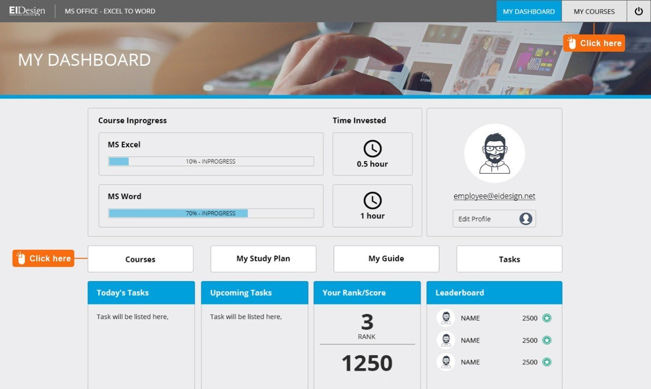

14. Gamify user onboarding
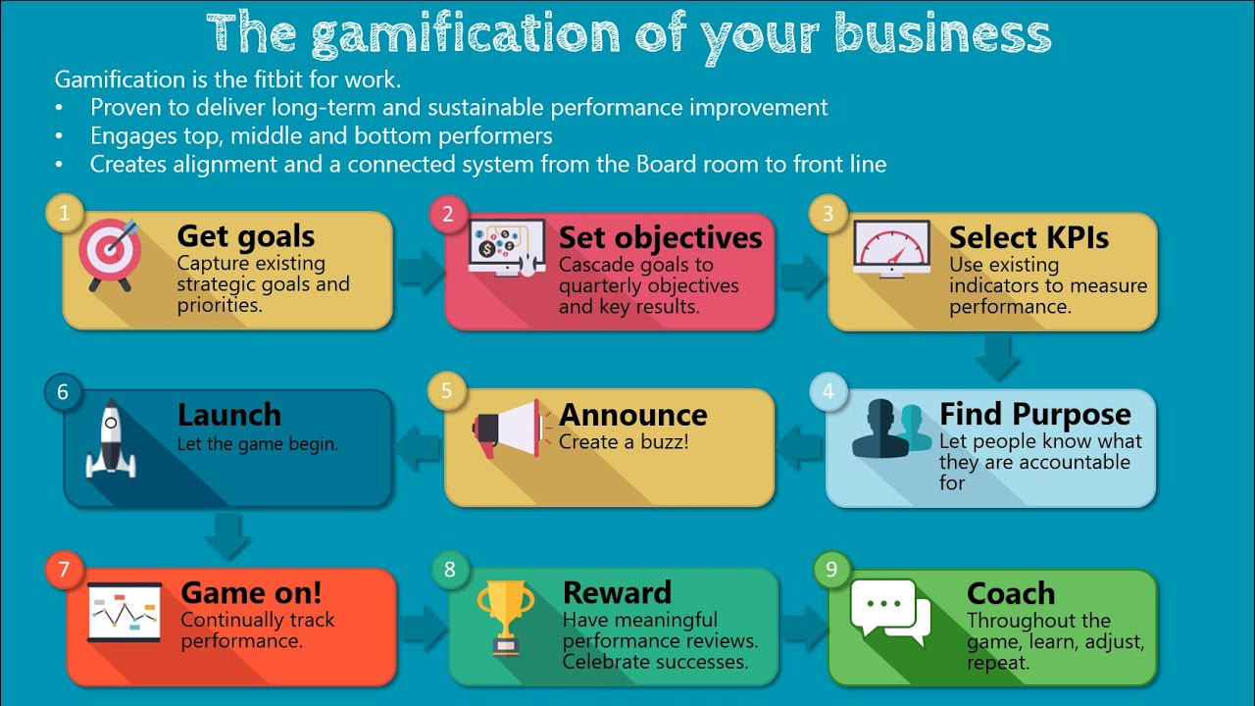

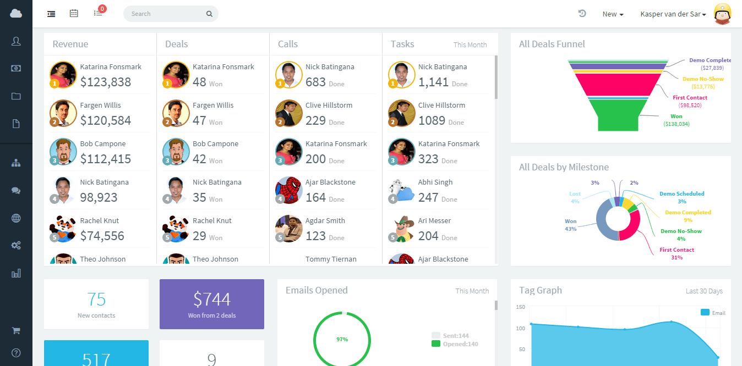

15. Make a movie for your onboarding email
Tutorials, customer service check-ins, updates — almost everything that users have to learn about your app can be enhanced by video. The more words your email has, the lower the response rate you'll get. A video is entirely textless, it jumps out at the recipient like a shiny object in an overly verbose inbox.

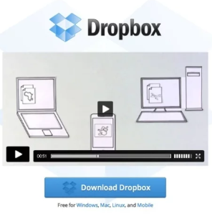

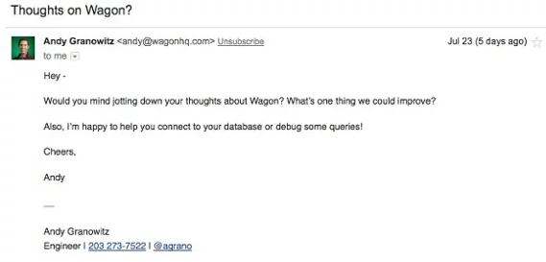

ENGAGEMENT
16. Send a “hello” from your engineer

17. Get immediate user reactions in-app
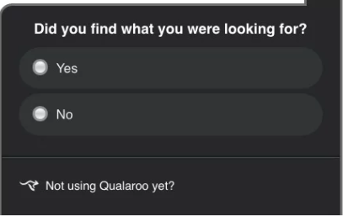

18. Send a personalized push notification
While a generic notification will gain you an average 1.5% open rate, that figure shoots up to 5.9% when the content is personalized.


RETENTION
19. Reach out to users who just left
Use a data analytics platform like Amplitude to find week one's drive-by customers and figure out why they left.

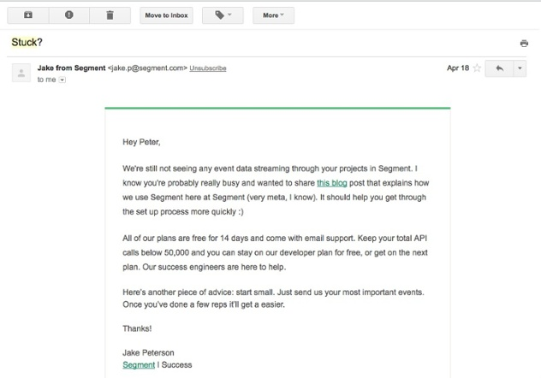

Virality (Help your customers become loyal advocates and spread the news about your product)

SOCIAL MEDIA
20. Quote yourself
Twitter posts with pull quotes get 19% more retweets, while posts with photos get 35% more.

21. Share every post three times
Try sharing every post three times. CoSchedule has made this nifty graphic to show how clicks accumulate with multiple postings. The first post garners the most clicks, but follow-up mentions of the same post the next day and the following week boost clicks by over 125%.
Use a Hashtag in every tweet
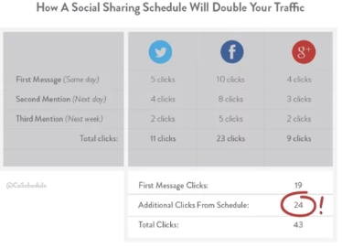

24. Integrate an API for greater sharing power
Airtable is a spreadsheet-like tool that helps you organize your data. It integrates with 600+ apps through its integration with Zapier, and has achieved massive growth with this technique — 682% for the year 2016.

REFERRAL
25. Use referral to tip the CAC:LTV balance in your favor

26. Incentivize referral
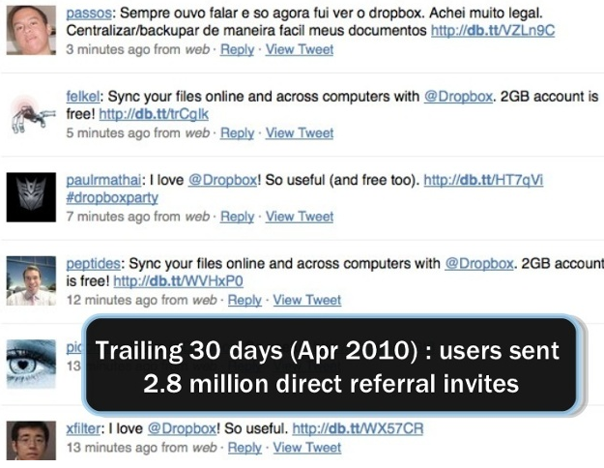

27. Replace your review button with a share button

